Download Overview
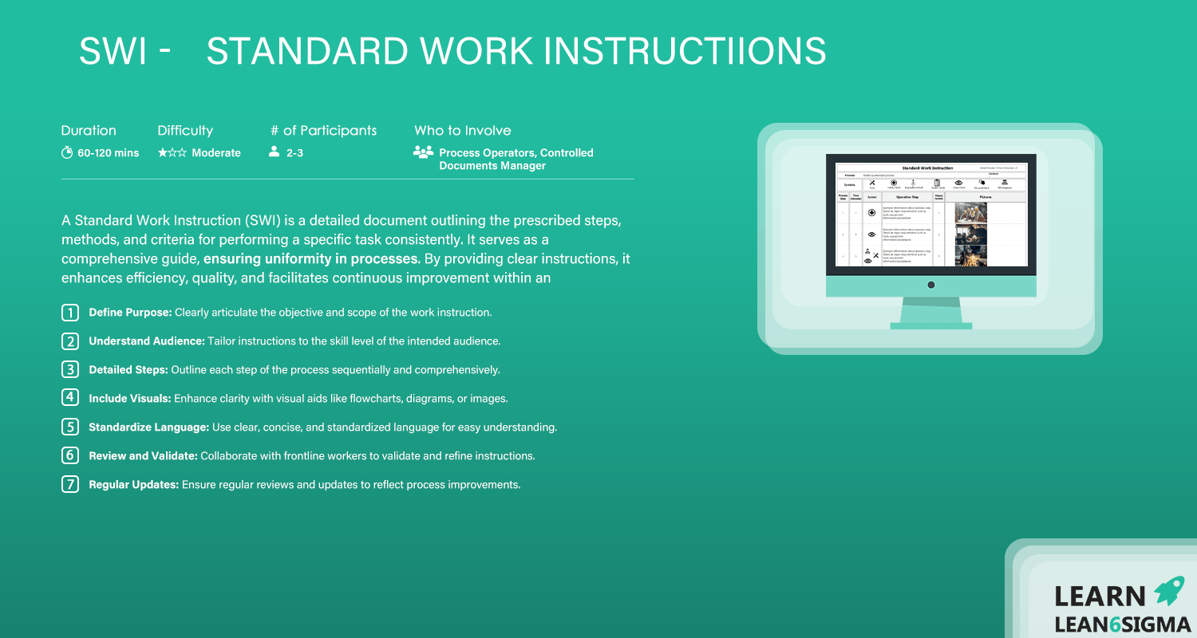

Standard Work Instructions Guide

Templates
Guides

Start Here

SWI
 |  |  | Standard Work Instruction |  |  |  | Total Process Time (minutes): |  | 0

Process: |  |  |  |  |  |  |  | Version:

Tools
Safety Check
Ergonomics/Health
Quality Check
Visual Check
Physical Check
PPE Required
Symbols

Process Step | Time (minutes) | Symbol |  | Operation Step | Picture number | Pictures
1
2
3
4
5
6
7
8
9
10
11

Example
 |  |  | Standard Work Instruction |  |  |  | Total Process Time (minutes): |  | 37

Process: |  | Made up example process |  |  |  |  |  | Version:

Tools
Safety Check
Ergonomics/Health
Quality Check
Visual Check
Physical Check
PPE Required
Symbols

Process Step | Time (minutes) | Symbol |  | Operation Step | Picture number | Pictures
1 | 1 |  |  | Example information about process step. Detail an input requirements such as tools, equipment, information/procedures | 1
2 | 3 |  |  | Example information about process step. Detail an input requirements such as tools, equipment, information/procedures | 2 | 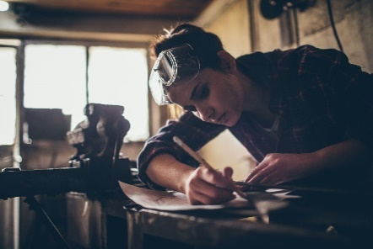
3 | 5 |  |  | Example information about process step. Detail an input requirements such as tools, equipment, information/procedures | 3 | 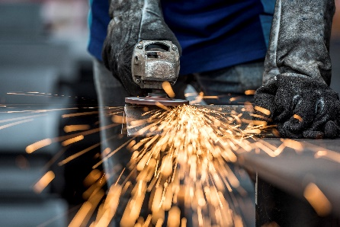
4 | 26 |  |  | Example information about process step. Detail an input requirements such as tools, equipment, information/procedures | 4 | 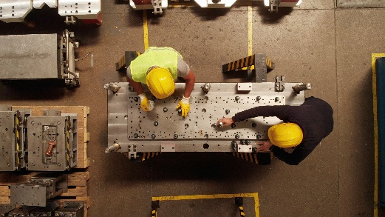
5 | 2 |  |  | Example information about process step. Detail an input requirements such as tools, equipment, information/procedures | 5

